Overview
Use this sheet to learn about the fields needed in CSV files to create batch payouts.

Validation Schema tab:
Use the Validation Schema tab to verify what fields required in your CSV - based on the payment corridor you're using - to create batch payouts.
Once you've filtered the Excel sheet for your payment corridor, you'll see the required fields highlighted in blue.

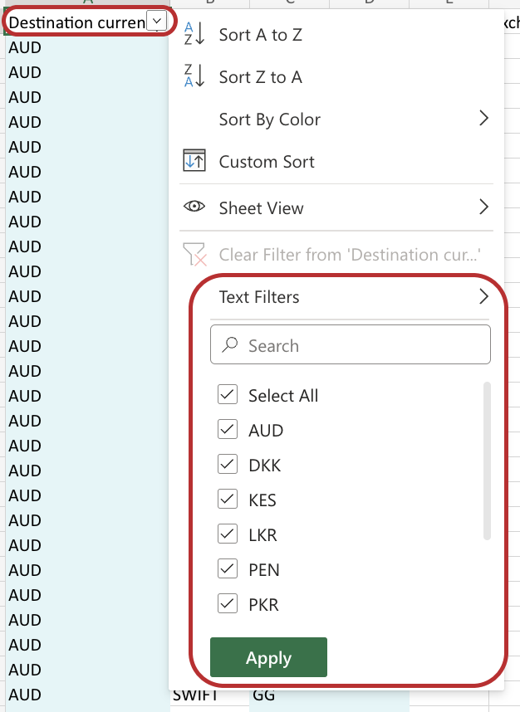
Using the Validation Schema tab:
1. Filter column A for the Destination currency you'd like to use for the payout(s).
• You can easily filter the column by clicking the drop-down menu in row 1, column 1 next to Destination Currency > Check the currencies you want to use under Text Filters.
2. Filter column B for the Payout method you'd like to use for the payouts.
• You can easily filter the column by clicking the drop-down menu in row 1, column 2 next to Payout method > Check the payout method(s) you want to use under Text Filters.
3. Filter column C for the Destination country you'd like to use for the payouts.
• You can easily filter the column by clicking the drop-down menu in row 1, column 3 next to Destination country > Check the country/countries you want to use under Text Filters.
4. The remaining fields highlighted in blue are the fields you need to include to successfully create the payouts using the filtered corridor.

Instructions and Data tab:
Use the Instructions/Descriptions and Data tab to review the descriptions of each field and the different acceptable values.

Tips:
Don’t Copy/Paste any Transactions directly in each Row.
Don’t submit negative value in Amount Column.
Don’t keep blank row in Two Successive Transactions.
Don’t submit Invalid Purpose Code - Please check the Code List.
Don’t change sheet name as displayed - Transactions.
Don’t submit value other than drop-down values in respective cell.
Don’t submit more than 2 decimal place value in Amount cell.

